Sheet1
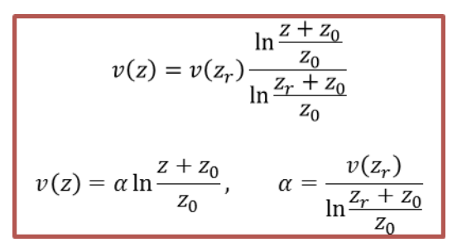
Home assignment 3 |  |  |  |  | wind speed at (m) |  |  | Complete wind speed profile v(z)
 | zr (m) | z0 (m) | v(15) (m/s) | alpha (m/s) | 50 | 100 | 150 | 1 | 5 | 10 | 15 | 20 | 25 | 30 | 35 | 40 | 45 | 50 | 55 | 60 | 65 | 70 | 75 | 80 | 85 | 90 | 95 | 100 | 105 | 110 | 115 | 120 | 125 | 130 | 135 | 140 | 145 | 150
a | 15 | 0.0005 | 8 |  |  |  |  | 0
b | 15 | 0.008 | 6
c | 15 | 0.05 | 4
d | 15 | 0.5 | 2

