Inputs and Results
Ship main particulars
L | 100 | m | Ship length | Wave heading ⁡𝛽
B0 | 20 | m | maximum waterline breadth
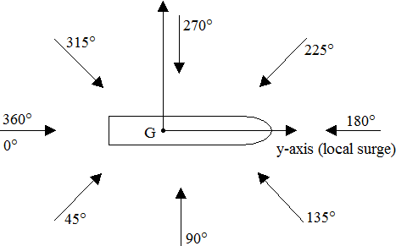
T | 2.5 | m | Draught
Cb | 0.75 |  | Block Coefficient
V | 30 | knot | Max forward speed
𝜌 | 1025 | kg/m^3 | water density

⁡𝛽 | 180 | degree | wave Heading
h | 4 | degree | wave height

Bending Moment Transfer Function
0.061093434529 | 0.013665404448
0.12218686906 | 0.23381356807
0.18328030359 | 1.2531692551
0.24437373812 | 4.1478413453
0.30546717265 | 10.47432965
0.36656060718 | 22.137995584
0.42765404171 | 41.070999753
0.48874747624 | 68.674065103
0.54984091076 | 105.03542682
0.61093434529 | 148.05416573
0.67202777982 | 192.75438356
0.73312121435 | 231.23045601
0.79421464888 | 253.70769595
0.85530808341 | 250.99825386
0.91640151794 | 218.07788507
0.97749495247 | 157.66948856
1.038588387 | 81.949110337
1.0996818215 | 10.427625773
1.1607752561 | -36.667506266
1.2218686906 | -47.570012781
1.2829621251 | -26.00222677
1.3440555596 | 9.3030898789
1.4051489942 | 34.527136876
1.4662424287 | 35.346953224
1.5273358632 | 15.99032524
1.5884292978 | -5.4260089716
1.6495227323 | -12.80031865
1.7106161668 | -5.4265358149
1.7717096014 | 4.2367897682
1.8328030359 | 5.8272502519
1.8938964704 | 1.555854287
1.9549899049 | -0.43700372908
2.0160833395 | 0.79465818223
2.077176774 | -0.43627123414
Wave Induced Bending Moment
0.061093434529 | 0.027330808897
0.12218686906 | 0.46762713615
0.18328030359 | 2.5063385103
0.24437373812 | 8.2956826907
0.30546717265 | 20.9486593
0.36656060718 | 44.275991168
0.42765404171 | 82.141999505
0.48874747624 | 137.34813021
0.54984091076 | 210.07085363
0.61093434529 | 296.10833145
0.67202777982 | 385.50876712
0.73312121435 | 462.46091203
0.79421464888 | 507.4153919
0.85530808341 | 501.99650772
0.91640151794 | 436.15577013
0.97749495247 | 315.33897713
1.038588387 | 163.89822067
1.0996818215 | 20.855251546
1.1607752561 | -73.335012532
1.2218686906 | -95.140025562
1.2829621251 | -52.004453539
1.3440555596 | 18.606179758
1.4051489942 | 69.054273752
1.4662424287 | 70.693906448
1.5273358632 | 31.98065048
1.5884292978 | -10.852017943
1.6495227323 | -25.600637299
1.7106161668 | -10.85307163
1.7717096014 | 8.4735795363
1.8328030359 | 11.654500504
1.8938964704 | 3.1117085741
1.9549899049 | -0.87400745816
2.0160833395 | 1.5893163645
2.077176774 | -0.87254246827

Calculations
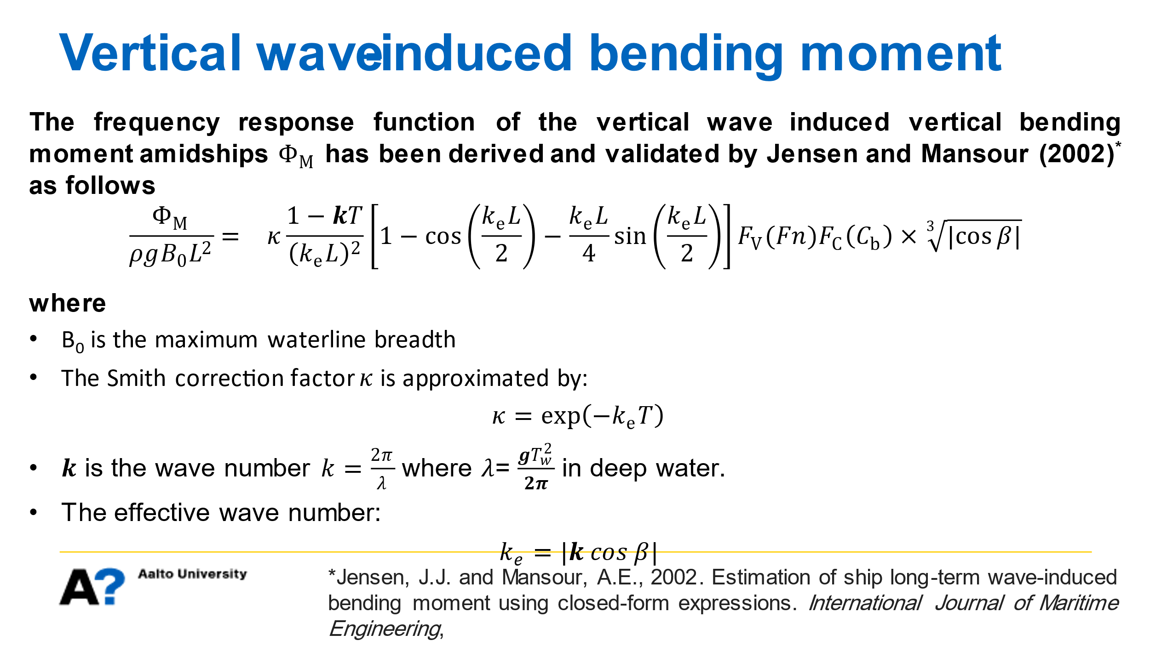

 | Fn | 0.49274841117
 | 𝜗 | 0.625
 | 𝐹_𝑉 (𝐹𝑛) | 1.7284029901

 | ω (rad/sec) | 𝜆 (m) | K | 𝑘_𝑒 | 𝜅 | 𝛼 | 𝐹_𝐶 (𝐶_𝑏 ) | Φ_M/(𝜌𝑔𝐵_0 𝐿^2 ) | Φ_M (N.m/m) | Φ_M (MN.m/m) | Φ_M (MN.m)
 | 0.061093434529 | 16514.285714 | 0.00038046969853 | 0.00038046969853 | 0.99904927798 | 1.0961136941 | 1.0449187977 | 6.7951589709E-06 | 13665.404448 | 0.013665404448 | 0.027330808897
 | 0.12218686906 | 4128.5714286 | 0.0015218787941 | 0.0015218787941 | 0.9962025317 | 1.1922273883 | 1.1242125953 | 0.0001162644231 | 233813.56807 | 0.23381356807 | 0.46762713615
 | 0.18328030359 | 1834.9206349 | 0.0034242272868 | 0.0034242272868 | 0.99147596911 | 1.2883410824 | 1.203506393 | 0.00062314176929 | 1253169.2551 | 1.2531692551 | 2.5063385103
 | 0.24437373812 | 1032.1428571 | 0.0060875151765 | 0.0060875151765 | 0.98489643257 | 1.3844547766 | 1.2828001907 | 0.0020625252208 | 4147841.3453 | 4.1478413453 | 8.2956826907
 | 0.30546717265 | 660.57142857 | 0.0095117424633 | 0.0095117424633 | 0.97650114495 | 1.4805684707 | 1.3620939884 | 0.0052083884787 | 10474329.65 | 10.47432965 | 20.9486593
 | 0.36656060718 | 458.73015873 | 0.013696909147 | 0.013696909147 | 0.96633735895 | 1.5766821649 | 1.441387786 | 0.011008177611 | 22137995.584 | 22.137995584 | 44.275991168
 | 0.42765404171 | 337.02623907 | 0.018643015228 | 0.018643015228 | 0.95446191406 | 1.672795859 | 1.5206815837 | 0.020422664654 | 41070999.753 | 41.070999753 | 82.141999505
 | 0.48874747624 | 258.03571429 | 0.024350060706 | 0.024350060706 | 0.94094070723 | 1.7689095532 | 1.5999753814 | 0.034148362847 | 68674065.103 | 68.674065103 | 137.34813021
 | 0.54984091076 | 203.88007055 | 0.030818045581 | 0.030818045581 | 0.925848084 | 1.8650232473 | 1.679269179 | 0.052229147369 | 105035426.82 | 105.03542682 | 210.07085363
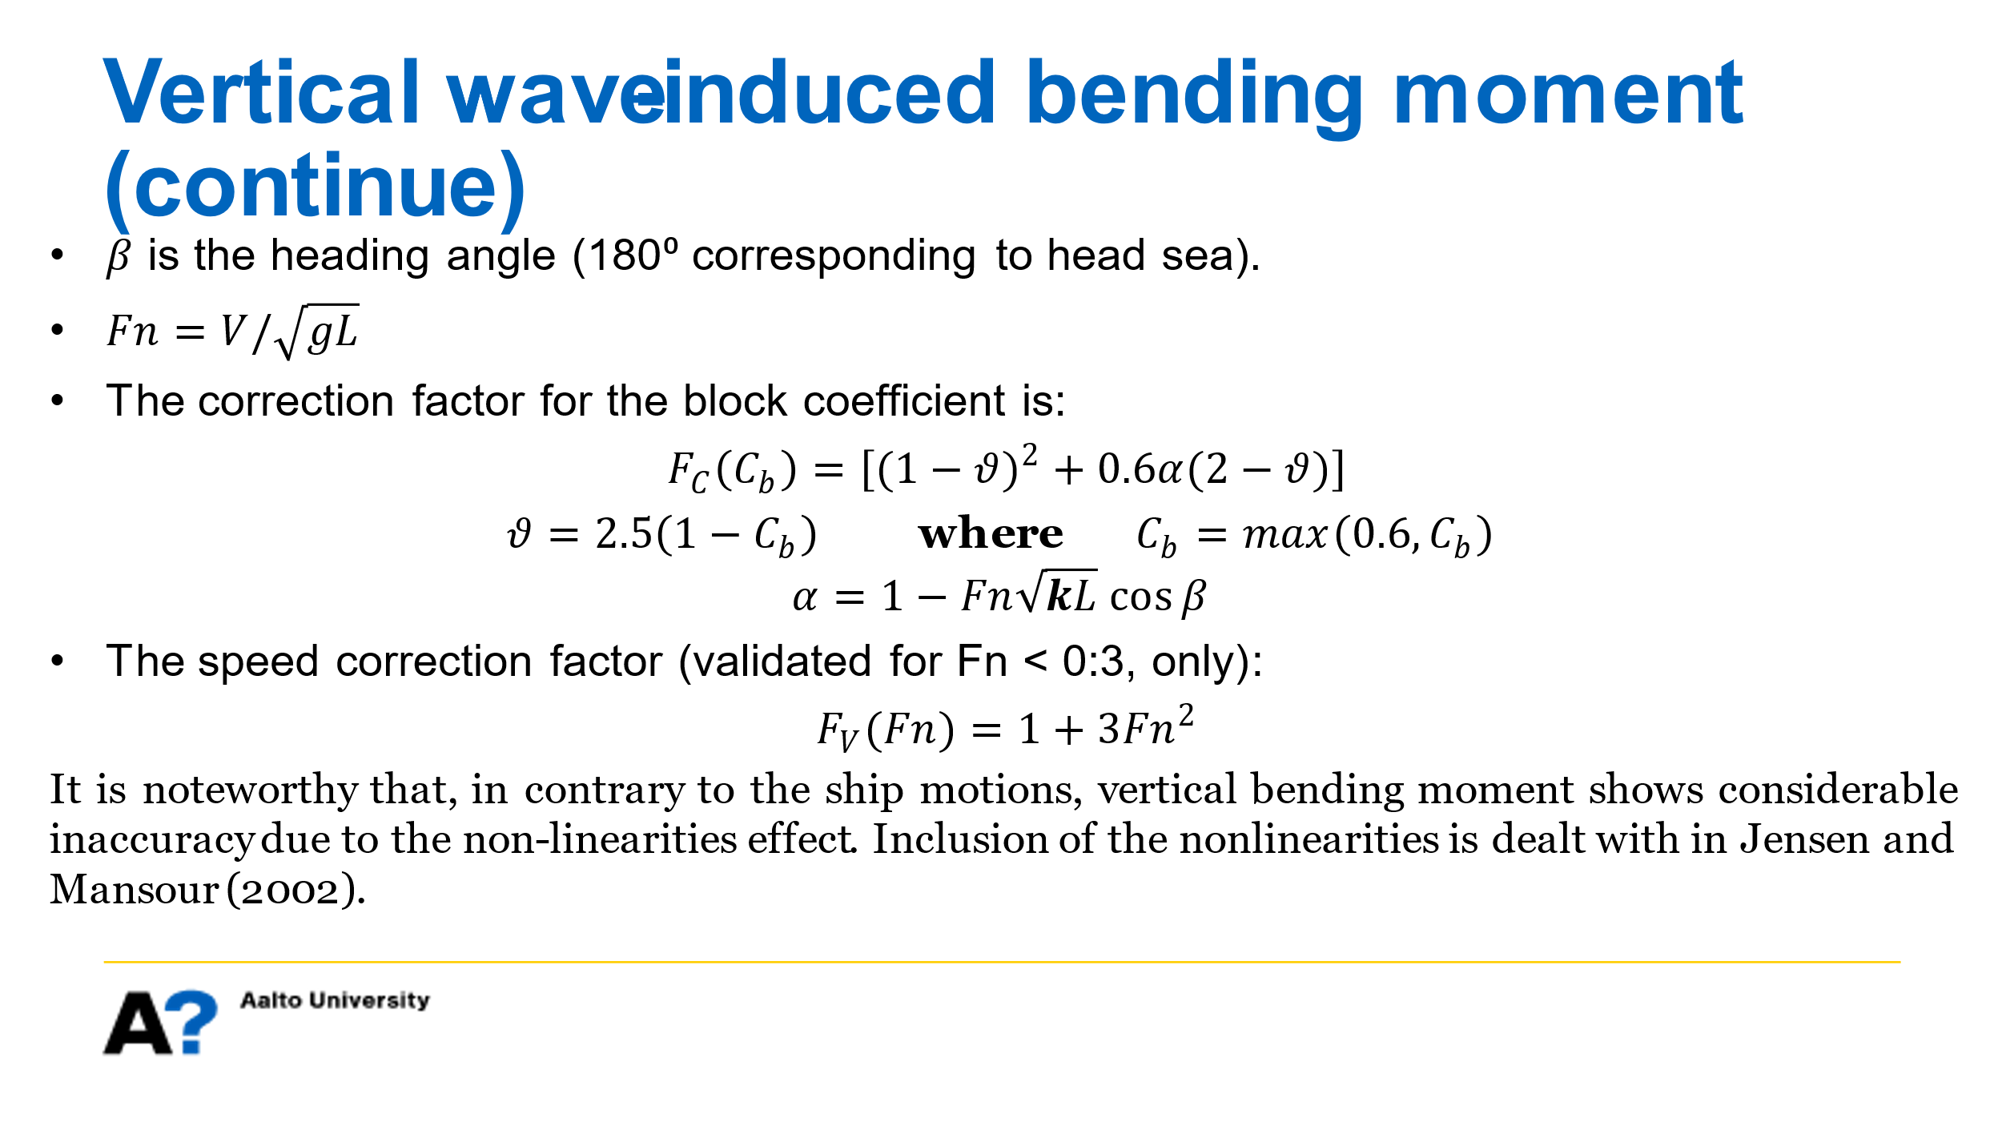
 | 0.61093434529 | 165.14285714 | 0.038046969853 | 0.038046969853 | 0.90926615795 | 1.9611369415 | 1.7585629767 | 0.073620330537 | 148054165.73 | 148.05416573 | 296.10833145
 | 0.67202777982 | 136.48170012 | 0.046036833522 | 0.046036833522 | 0.8912840673 | 2.0572506356 | 1.8378567744 | 0.095847633605 | 192754383.56 | 192.75438356 | 385.50876712
 | 0.73312121435 | 114.68253968 | 0.054787636589 | 0.054787636589 | 0.87199717787 | 2.1533643297 | 1.917150572 | 0.11497996371 | 231230456.01 | 231.23045601 | 462.46091203
 | 0.79421464888 | 97.717666948 | 0.064299379052 | 0.064299379052 | 0.85150624258 | 2.2494780239 | 1.9964443697 | 0.12615683148 | 253707695.95 | 253.70769595 | 507.4153919
 | 0.85530808341 | 84.256559767 | 0.074572060912 | 0.074572060912 | 0.8299165277 | 2.345591718 | 2.0757381674 | 0.12480955414 | 250998253.86 | 250.99825386 | 501.99650772
 | 0.91640151794 | 73.396825397 | 0.08560568217 | 0.08560568217 | 0.80733691638 | 2.4417054122 | 2.1550319651 | 0.10843981257 | 218077885.07 | 218.07788507 | 436.15577013
 | 0.97749495247 | 64.508928571 | 0.097400242824 | 0.097400242824 | 0.78387900017 | 2.5378191063 | 2.2343257627 | 0.078401575577 | 157669488.56 | 157.66948856 | 315.33897713
 | 1.038588387 | 57.142857143 | 0.10995574288 | 0.10995574288 | 0.75965616907 | 2.6339328005 | 2.3136195604 | 0.040749414652 | 81949110.337 | 81.949110337 | 163.89822067
 | 1.0996818215 | 50.970017637 | 0.12327218232 | 0.12327218232 | 0.73478271023 | 2.7300464946 | 2.3929133581 | 0.0051851648506 | 10427625.773 | 10.427625773 | 20.855251546
 | 1.1607752561 | 45.745943807 | 0.13734956117 | 0.13734956117 | 0.70937292536 | 2.8261601888 | 2.4722071557 | -0.018233015721 | -36667506.266 | -36.667506266 | -73.335012532
 | 1.2218686906 | 41.285714286 | 0.15218787941 | 0.15218787941 | 0.68354027594 | 2.9222738829 | 2.5515009534 | -0.023654316293 | -47570012.781 | -47.570012781 | -95.140025562
 | 1.2829621251 | 37.447359896 | 0.16778713705 | 0.16778713705 | 0.65739656517 | 3.0183875771 | 2.6307947511 | -0.01292967692 | -26002226.77 | -26.00222677 | -52.004453539
 | 1.3440555596 | 34.12042503 | 0.18414733409 | 0.18414733409 | 0.63105116432 | 3.1145012712 | 2.7100885487 | 0.0046259863648 | 9303089.8789 | 9.3030898789 | 18.606179758
 | 1.4051489942 | 31.217931407 | 0.20126847052 | 0.20126847052 | 0.60461029058 | 3.2106149654 | 2.7893823464 | 0.017168711308 | 34527136.876 | 34.527136876 | 69.054273752
 | 1.4662424287 | 28.670634921 | 0.21915054635 | 0.21915054635 | 0.57817634257 | 3.3067286595 | 2.8686761441 | 0.017576367183 | 35346953.224 | 35.346953224 | 70.693906448
 | 1.5273358632 | 26.422857143 | 0.23779356158 | 0.23779356158 | 0.55184729859 | 3.4028423536 | 2.9479699418 | 0.0079512320629 | 15990325.24 | 15.99032524 | 31.98065048
 | 1.5884292978 | 24.429416737 | 0.25719751621 | 0.25719751621 | 0.52571618163 | 3.4989560478 | 3.0272637394 | -0.0026980974971 | -5426008.9716 | -5.4260089716 | -10.852017943
 | 1.6495227323 | 22.653341172 | 0.27736241023 | 0.27736241023 | 0.49987059424 | 3.5950697419 | 3.1065575371 | -0.0063649927399 | -12800318.65 | -12.80031865 | -25.600637299
 | 1.7106161668 | 21.064139942 | 0.29828824365 | 0.29828824365 | 0.4743923253 | 3.6911834361 | 3.1858513348 | -0.0026983594714 | -5426535.8149 | -5.4265358149 | -10.85307163
 | 1.7717096014 | 19.636487175 | 0.31997501647 | 0.31997501647 | 0.44935702956 | 3.7872971302 | 3.2651451324 | 0.0021067550624 | 4236789.7682 | 4.2367897682 | 8.4735795363
 | 1.8328030359 | 18.349206349 | 0.34242272868 | 0.34242272868 | 0.42483397999 | 3.8834108244 | 3.3444389301 | 0.0028976157987 | 5827250.2519 | 5.8272502519 | 11.654500504
 | 1.8938964704 | 17.184480452 | 0.36563138029 | 0.36563138029 | 0.40088589202 | 3.9795245185 | 3.4237327278 | 0.00077365271228 | 1555854.287 | 1.555854287 | 3.1117085741
 | 1.9549899049 | 16.127232143 | 0.3896009713 | 0.3896009713 | 0.37756881775 | 4.0756382127 | 3.5030265254 | -0.000217301275 | -437003.72908 | -0.43700372908 | -0.87400745816
 | 2.0160833395 | 15.164633346 | 0.4143315017 | 0.4143315017 | 0.35493210751 | 4.1717519068 | 3.5823203231 | 0.00039514590996 | 794658.18223 | 0.79465818223 | 1.5893163645
 | 2.077176774 | 14.285714286 | 0.4398229715 | 0.4398229715 | 0.33301843547 | 4.267865601 | 3.6616141208 | -0.00021693703992 | -436271.23414 | -0.43627123414 | -0.87254246827

Wave length = Ship length | 0.78509902473 | 100 | 0.062831853072 | 0.062831853072 | 0.85463599915 | 2.2351370997 | 1.9846131073 | 0.12518689081 | 251757096.77 | 251.75709677 | 503.51419354

