Problem
Problem

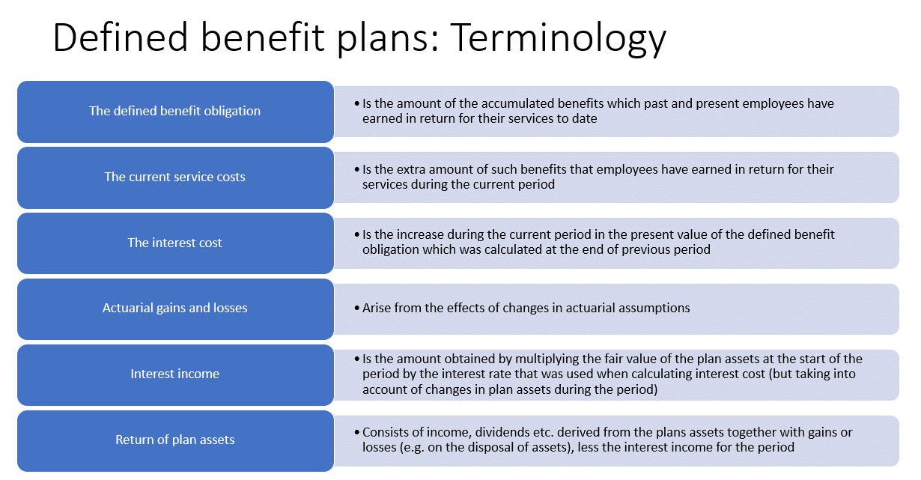
Post-employment benefits

Prepare income statement and balance sheet entries using the following information on post-employment benefits

Opening present value of pension obligation | 1,980
Closing present value of pension obligation | 2,200
Opening present value of pension asset | 2,000
Closing present value of pension asset | 2,380
Current service cost | 260
Pension benefits paid | 300
Contribution paid by the company | 180
Discount rate % | 10

Income Statement
Return (10%) | 200
Interest expense (10%) | -198
Service cost | -260
Total Income statement | -258

OCI - Other Comprehensive Income
Acturial gain - Asset | 300
Acturial loss - Obligation | -62
Net actual gain | 238
 | Assets |  | Liabilities

Opening | 2000 |  | 1980 | Given by the actuarian
Return (10%) | 200 | Interest expense | 198 | Income statement
Benefits paid by the trustee | -300 |  | -300
Contribution (the only cash item by the company) | 180 | Service costs | 260
Expected closing | 2080 | Expected closing | 2138
Actuarial gain/loss | 300 |  | 62 | OCI
Closing | 2380 |  | 2200

