Sheet1
 | Calculating the effective interest

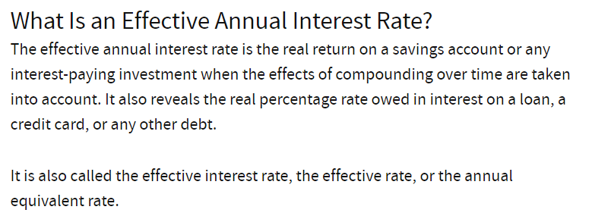
 | 0 | -93931
 | 1 | 6000
 | 2 | 6000
 | 3 | 6000
 | 4 | 6000
 | 5 | 106000
 | IRR | 7.5 %

Year | Opening balance | 7.5% interest | Amount received | Closing (i.e. amortised costs)
2017 | 93,931 | 7,045 | 6,000 | 94,976
2018 | 94,976 | 7,123 | 6,000 | 96,099
2019 | 96,099 | 7,207 | 6,000 | 97,307
2020 | 97,307 | 7,298 | 6,000 | 98,605
2021 | 98,605 | 7,395 | 106,000 | -
 |  | 36,069 | 130,000

