Binomial 5.2
Binomial Probabilities
Example, n = 4 observations (4 invoices). Prob of late payment of invoice is 10%.
X can take any value from 0 to 4, for no late invoices to all late invoices.

Data
Sample size (n) | 4 | number of trials (obs)
Probability of an event of interest | 0.1
 |  |  |  |  | demo: change prob to 20%
Parameters
Mean | 0.4
Variance | 0.36
Standard deviation | 0.6

Binomial Probabilities Table
X | P(X)
0 | 0.6561
1 | 0.2916
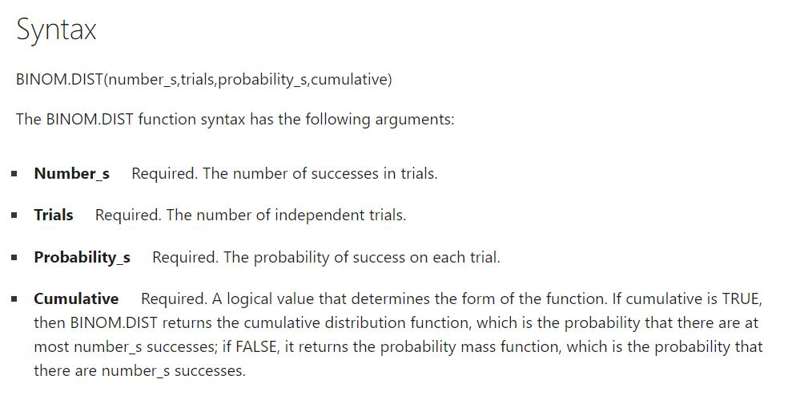
2 | 0.0486
3 | 0.0036
4 | 0.0001 |  |  | count value of X (sucessful outcome)

 |  |  |  | number of trials = n

 |  |  | https://support.microsoft.com/en-us/office/binom-dist-function-c5ae37b6-f39c-4be2-94c2-509a1480770c

See Histogram, formulas, then
to Slide 22 in ppt

Histogram
Binomial Probability Histogram
0 | 0.6561
1 | 0.2916
2 | 0.0486
3 | 0.0036
4 | 0.0001

