Sheet1
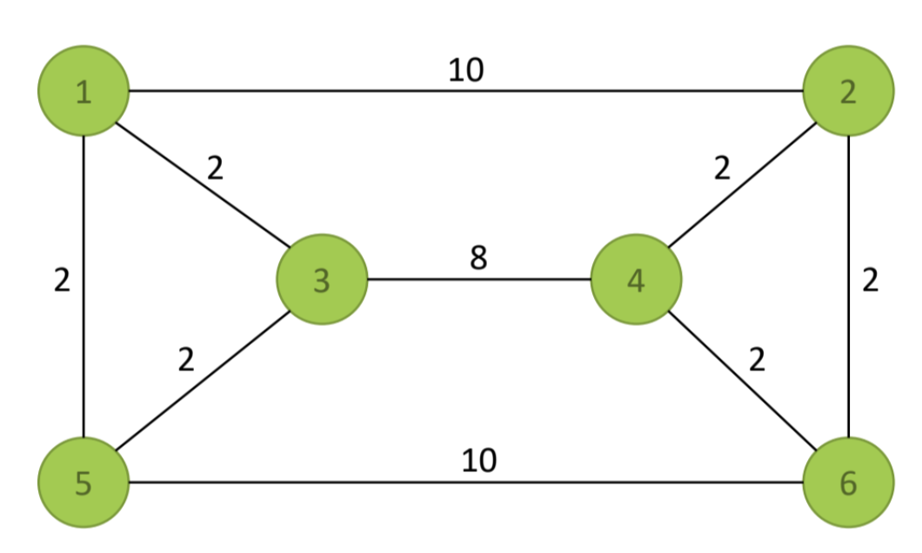

 | x12 | x13 | x15 | x21 | x24 | x26 | x31 | x34 | x35 | x42 | x43 | x46 | x51 | x53 | x56 | x62 | x64 | x65 |  |  | Total distance
Changing cells | 0 | 1 | 0 | 0 | 0 | 1 | 0 | 1 | 0 | 1 | 0 | 0 | 1 | 0 | 0 | 0 | 0 | 1 |  |  | 26
Distance | 10 | 2 | 2 | 10 | 2 | 2 | 2 | 8 | 2 | 2 | 8 | 2 | 2 | 2 | 10 | 2 | 2 | 10

Constraints
1. Predecessors
Node 1 |  |  |  | 1 |  |  | 1 |  |  |  |  |  | 1 |  |  |  |  |  | 1 | = | 1
Node 2 | 1 |  |  |  |  |  |  |  |  | 1 |  |  |  |  |  | 1 |  |  | 1 | = | 1
Node 3 |  | 1 |  |  |  |  |  |  |  |  | 1 |  |  | 1 |  |  |  |  | 1 | = | 1
Node 4 |  |  |  |  | 1 |  |  | 1 |  |  |  |  |  |  |  |  | 1 |  | 1 | = | 1
Node 5 |  |  | 1 |  |  |  |  |  | 1 |  |  |  |  |  |  |  |  | 1 | 1 | = | 1
Node 6 |  |  |  |  |  | 1 |  |  |  |  |  | 1 |  |  | 1 |  |  |  | 1 | = | 1
2. Successors
Node 1 | 1 | 1 | 1 |  |  |  |  |  |  |  |  |  |  |  |  |  |  |  | 1 | = | 1
Node 2 |  |  |  | 1 | 1 | 1 |  |  |  |  |  |  |  |  |  |  |  |  | 1 | = | 1
Node 3 |  |  |  |  |  |  | 1 | 1 | 1 |  |  |  |  |  |  |  |  |  | 1 | = | 1
Node 4 |  |  |  |  |  |  |  |  |  | 1 | 1 | 1 |  |  |  |  |  |  | 1 | = | 1
Node 5 |  |  |  |  |  |  |  |  |  |  |  |  | 1 | 1 | 1 |  |  |  | 1 | = | 1
Node 6 |  |  |  |  |  |  |  |  |  |  |  |  |  |  |  | 1 | 1 | 1 | 1 | = | 1
3. Subtour elimination constraints
S={1;2} |  | 1 | 1 |  | 1 | 1 |  |  |  |  |  |  |  |  |  |  |  |  | 2 | >= | 1
S={1;3} | 1 |  | 1 |  |  |  |  | 1 | 1 |  |  |  |  |  |  |  |  |  | 1 | >= | 1
S={1;5} | 1 | 1 |  |  |  |  |  |  |  |  |  |  |  | 1 | 1 |  |  |  | 1 | >= | 1
S={2;4} |  |  |  | 1 |  | 1 |  |  |  |  | 1 | 1 |  |  |  |  |  |  | 1 | >= | 1
S={2;6} |  |  |  | 1 |  | 1 |  |  |  |  |  |  |  |  |  |  | 1 | 1 | 2 | >= | 1
S={3;4} |  |  |  |  |  |  | 1 |  | 1 | 1 |  | 1 |  |  |  |  |  |  | 1 | >= | 1
S={3;5} |  |  |  |  |  |  | 1 | 1 |  |  |  |  | 1 |  | 1 |  |  |  | 2 | >= | 1
S={4:6} |  |  |  |  |  |  |  |  |  | 1 | 1 |  |  |  |  | 1 |  | 1 | 2 | >= | 1
S={5;6} |  |  |  |  |  |  |  |  |  |  |  |  | 1 | 1 |  | 1 | 1 |  | 1 | >= | 1
S={1;3;5} | 1 |  |  |  |  |  |  | 1 |  |  |  |  |  |  | 1 |  |  |  | 1 | >= | 1
S={2:4:6} |  |  |  | 1 |  |  |  |  |  |  | 1 |  |  |  |  |  |  | 1 | 1 | >= | 1
S={1;2;3;4} |  |  | 1 |  |  | 1 |  |  | 1 |  |  | 1 |  |  |  |  |  |  | 1 | >= | 1
S={3;4;5;6} |  |  |  |  |  |  | 1 |  |  | 1 |  |  | 1 |  |  | 1 |  |  | 2 | >= | 1

