COMPUTE_FORMULAS
Normal Probabilities

Common Data
Mean | 7
Standard Deviation | 2

This worksheet makes extensive use of the ampersand operator (&) to create column A labels dynamically, based on the data values you enter.
The ampersand allows the construction of a text value. For example, the cell A10 formula ="P(X<="&B8&")" results in the display of P(X<=7) because the contents of cell B8, 7, is combined with "P(X<=" and ")"
Probability for X <'=
X Value | 7
Z Value | =STANDARDIZE(B8, B4, B5)
="P(X<="&B8&")" | =NORM.DIST(B8, B4, B5, TRUE)

Probability for X >
X Value | 9
Z Value | =STANDARDIZE(B13, B4, B5)
="P(X>"&B13&")" | =1 - NORM.DIST(B13, B4, B5, TRUE)

="Probability for X<"&B8&" or X >"&B13
="P(X<"&B8&" or X >"&B13 & ")" | =B10 + B15

Probability for a Range
From X Value | 5
To X Value | 9
="Z Value for " &B21 | =STANDARDIZE(B21, B4, B5)
="Z Value for " & B22 | =STANDARDIZE(B22, B4, B5)
="P(X<="&B21&")" | =NORM.DIST(B21, B4, B5, TRUE)
="P(X<="&B22&")" | =NORM.DIST(B22, B4, B5, TRUE)
="P("&B21&"<=X<="&B22&")" | =ABS(B26 - B25)

Find X and Z Values Given Cumulative Pctage.
Cumulative Percentage | 10.00%
Z Value | =NORM.S.INV(B30)
X Value | =NORM.INV(B30, B4, B5)

Find X Values Given Percentage
Percentage | 95.00%
Z Value | =NORM.S.INV((1 - B35)/2)
Lower X Value | =B4 + B36 * B5
Upper X Value | =B4 - B36 * B5

Normal 6.1 and 6.2
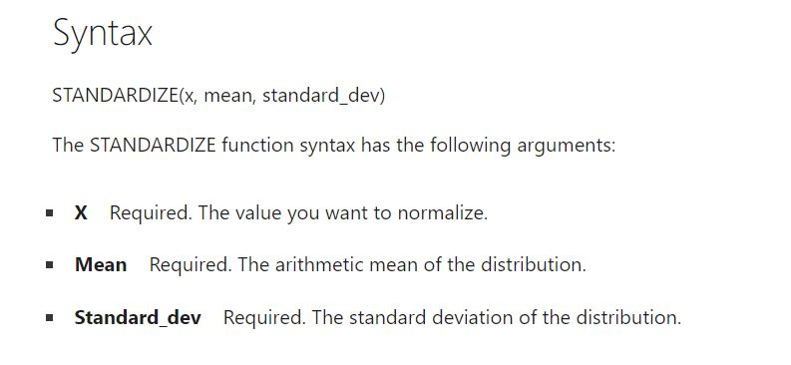
Normal Probabilities (6.2 in textbook)
Data is hypothetical download times from a TV streaming service.
 | 9 | mean download time
 | 2 | std dev of download time

Common Data
Mean | 72 | input data from the sample
Standard Deviation | 15 | input data from the sample

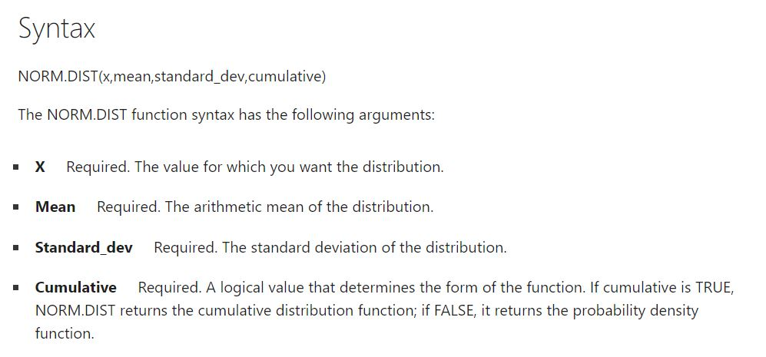
Probability for X <= |  | Prob(x) LESS THAN____
X Value | 81 |  | this is the default output prob |  |  |  |  |  |  |  |  | In terms of Z-values, Equation 6.1 for probability density function translates into the STANDARDIZED normal formula below…
Z Value | 0.60
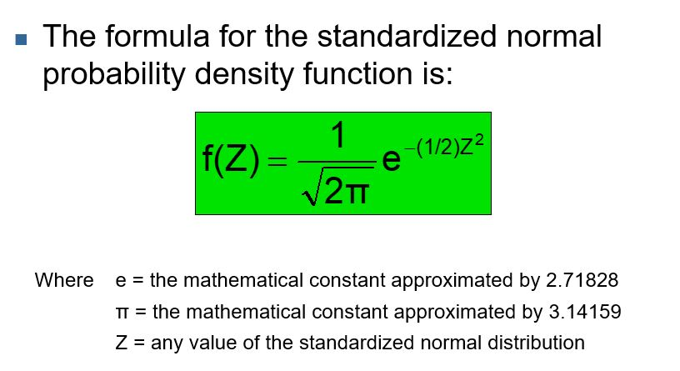
P(X<=81) | 0.7257

Probability for X > |  | Prob(x) GREATER THAN____
X Value | 7
Z Value | -4.33
P(X>7) | 1.0000 | is 1 - f(X)
 |  |  |  |  |  | the probability is obtained using this equation for the probability density function
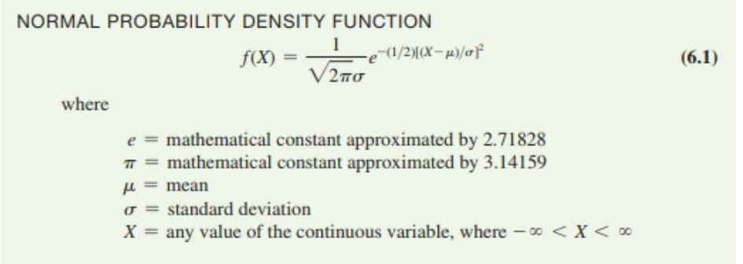
Probability for X<81 or X >7
P(X<81 or X >7) | 1.7257 | sum of above two probabilities

Probability for a Range |  | Prob (X) is in a RANGE of values
From X Value | 65 | See Slide 20
To X Value | 71
Z Value for 65 | -0.47
Z Value for 71 | -0.07
P(X<=65) | 0.3204
P(X<=71) | 0.4734
P(65<=X<=71) | 0.1531

Find X & Z Given a Cum. %. |  | See Slide 32, one-tail |  |  |  |  |  | Given the mean and stadard deviation of your sample data,
Cumulative Percentage | 86.00% | find x for which prob of being <x is 86% |  |  |  |  |  |  | the default configuration is the formula computes the prob (X) < the input value you select.
Z Value | 1.08 | to get Z-value |  |  |  |  |  |  | This is the same way the Cumulative Standardized Normal Probability tables for Z-values are set up. (Table E2, as below)
X Value | 88.20 | for a value of X, given mean and stdev: see cell E102

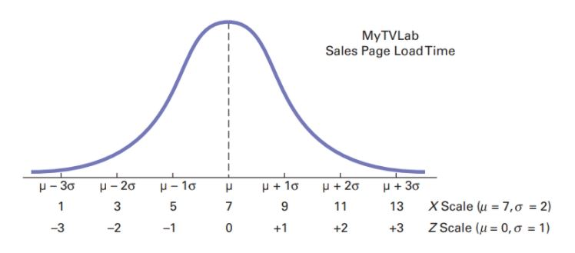
Find X Values Given a % |  |  |  |  |  |  | Given mean = 7 and stdev = 2, the probability that X < 7 is given by the area under the curve to the left of 7 (on horizontal axis).
Percentage | 95.00% | Similar to Slide 31, two-tail
Z Value | -1.96 | divide by 2 because the 5% is divided into two tails
Lower X Value | 42.60 |  |  |  |  |  |  |  | for X >9
Upper X Value | 101.40 |  |  |  |  |  |  |  |  | cell C20 set up to subtract the are to the left of X = 9 from 1
 |  |  |  |  |  |  |  |  |  | Why subtract from 1? Because the total area under the curve = 1
Find the range within which there is a 95%
probability the data is found.

divide 1-% into the 2 tails,
find corresponding Z,
use formula below to
obtain upper and
lower bounds of the range

See Example 6.5, p 265,

 |  |  |  |  |  |  | Given mean = 7 and stdev = 2, Prob that X is between 5 and 9 ( is given by area under the normal curve as indicated.
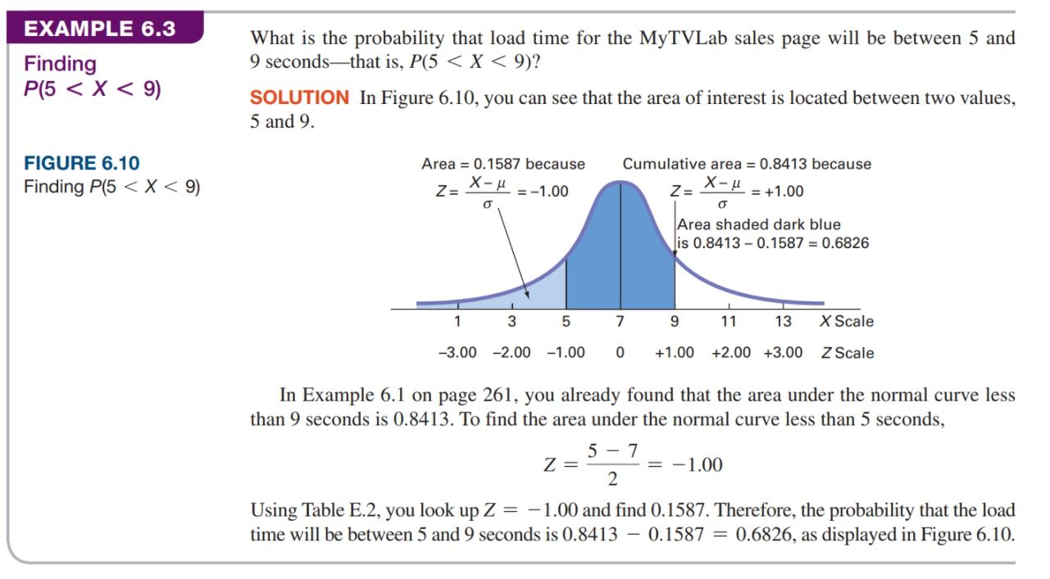

 |  |  |  |  | obtain this prob

 |  |  |  |  |  |  |  | See Slide 20
 |  |  |  |  | subtract this prob

 |  |  |  |  | Find the Z-value for the known probability

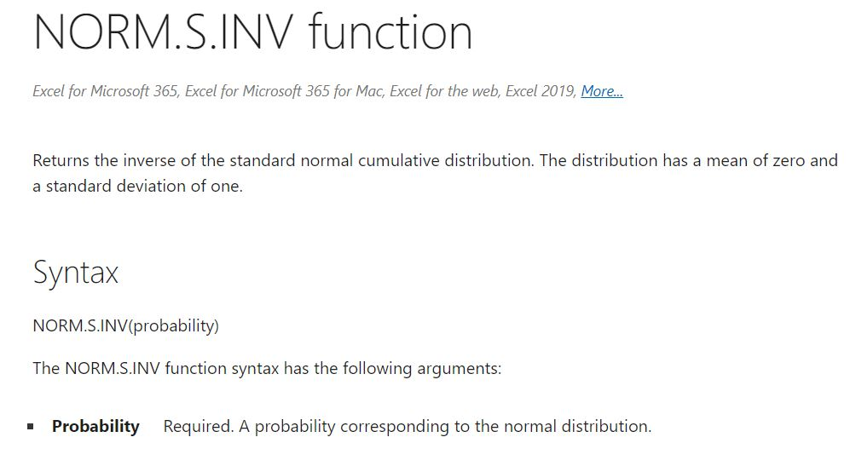

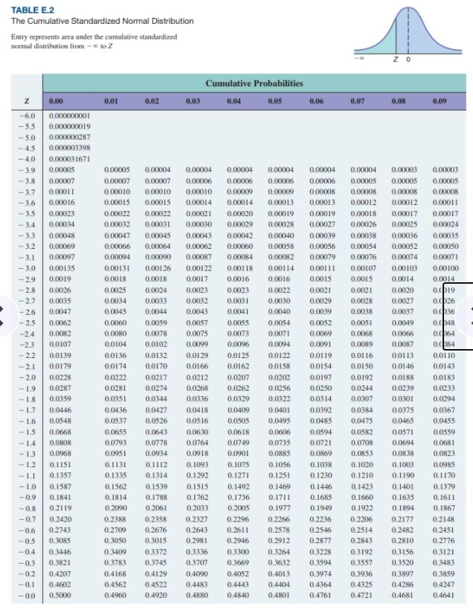
 |  |  |  |  |  |  |  |  | 2 page table

Find X-value for the known Z, using the formula

 |  |  | which is automated with the inverse normal distribution Excel command..

 |  |  |  | 9.16 | See cell B37 | for mean = 7, stdev = 2

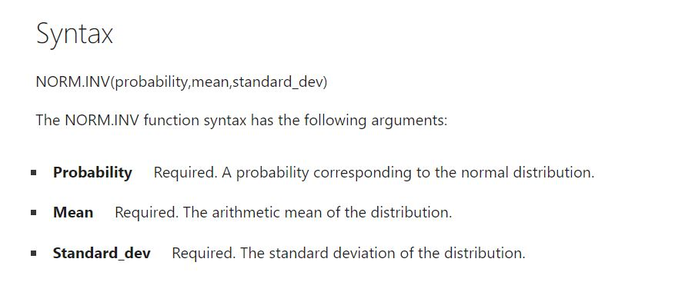

 |  |  |  |  |  |  |  | Table-reading example
 |  |  |  |  |  |  |  | prob for Z = -3.06

 |  |  |  |  |  |  |  |  |  |  |  |  | Z-value corresponding to 2.5% in a tail
 |  |  |  |  |  |  |  |  |  |  |  |  |  | -1.96 | left tail
 | To Slide 37 |  |  |  |  |  |  |  |  |  |  |  |  | 1.96 | right tail
 | and NPP Excel sheet

 |  |  |  |  |  |  |  | prob for Z = -1.00

 |  |  |  |  |  |  |  |  |  |  | See Slide 19

